Traffic Mngt Plan
TMPs: | Highway Design | See Section 206.3 (below)

Blank TMP forms can be downloaded here:
 | Highway Design Forms | KYTC
 | N:\TRAFFIC\HSIP\Contract Proposals\~Traffic Management Plan and PIP.

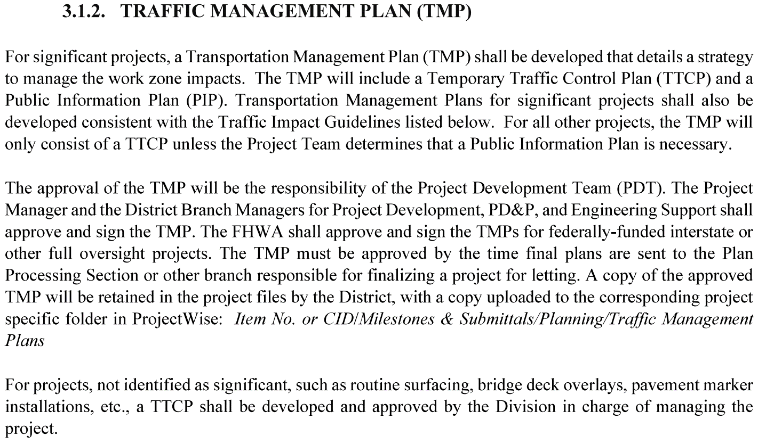

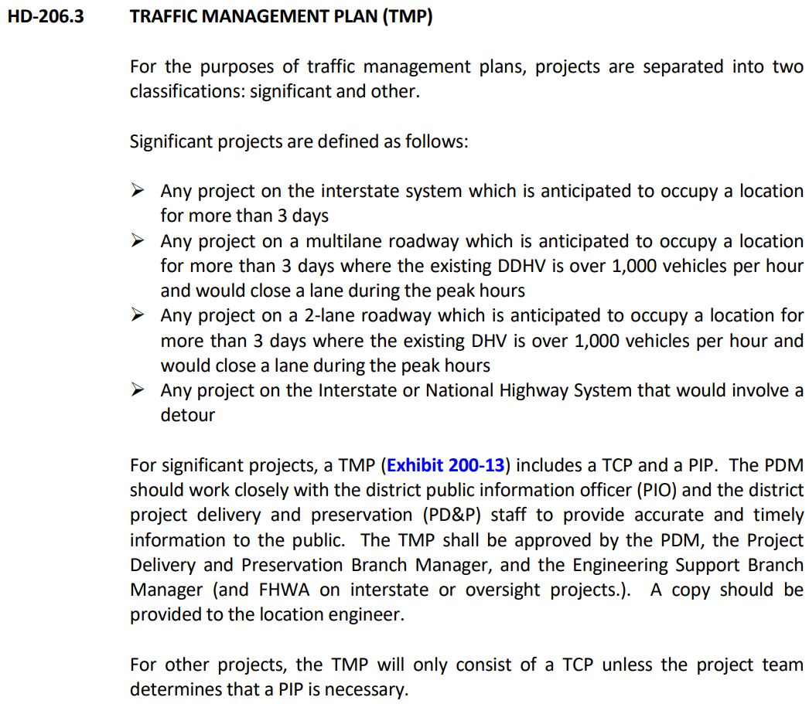

 |  |  | Traffic Counts, K, and D can be found here: | CTS - KYTC Traffic Count Reporting System |  | Select "Details" for K and D details

 |  |  | DDHV = Directional Design Hour Volume = (AADT) x (K-factor) x (D-factor)
 |  |  | AADT
 |  |  | K-factor |  | format as decimal, i.e. K-factor of 10.20% = 0.102
 |  |  | D-Factor |  | format as decimal, i.e. a D-factor of 51% = 0.51
 |  |  | DDHV = | 0

